Indices

 | Iraq Stock Exchange
 | Bulletin No (212)

 | ISX Trading Indices of Wednesday 26/11/2025

 | Traded Volume and OTC |  | 1,243,929,857 |  | Traded Value and OTC |  | 2,774,883,874 |  | Traders | 997

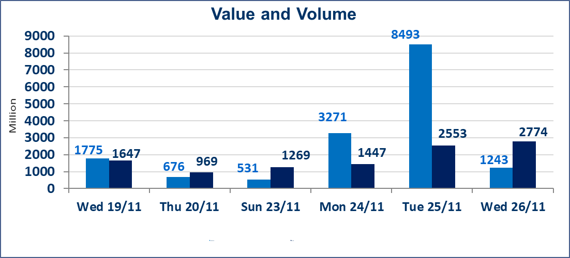
 | ISX Index 60 |  |  | 948.02 | ISX Index 15 |  |  | 1174.82
 | Previous ISX Index60 |  |  | 950.04 | Previous ISX Index15 |  |  | 1177.02
 | Change % |  |  | -0.21 | Change % |  |  | -0.19
 | Change |  |  | -2.02 | Change |  |  | -2.20

 | Listed Companies | 104 | OTC | 11 | Non Traded listed | 36 | OTC | 9
 | Traded Listed Companies | 50 | OTC | 1 | Higher Companies |  |  | 15
 | GAM Companies |  |  | 8 | Lower Companies |  |  | 16
 | Suspended Companies |  |  | 10
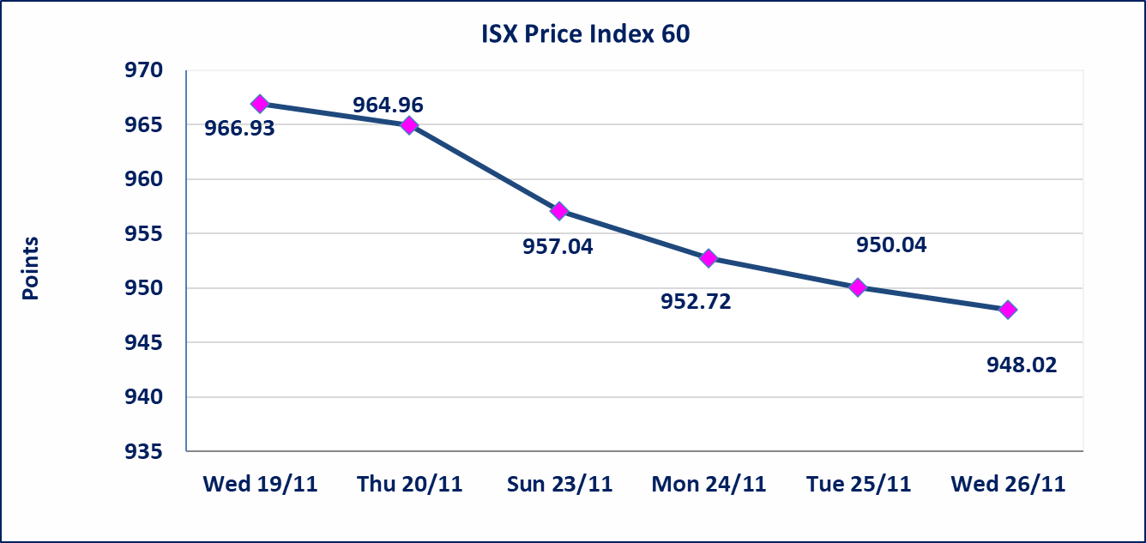
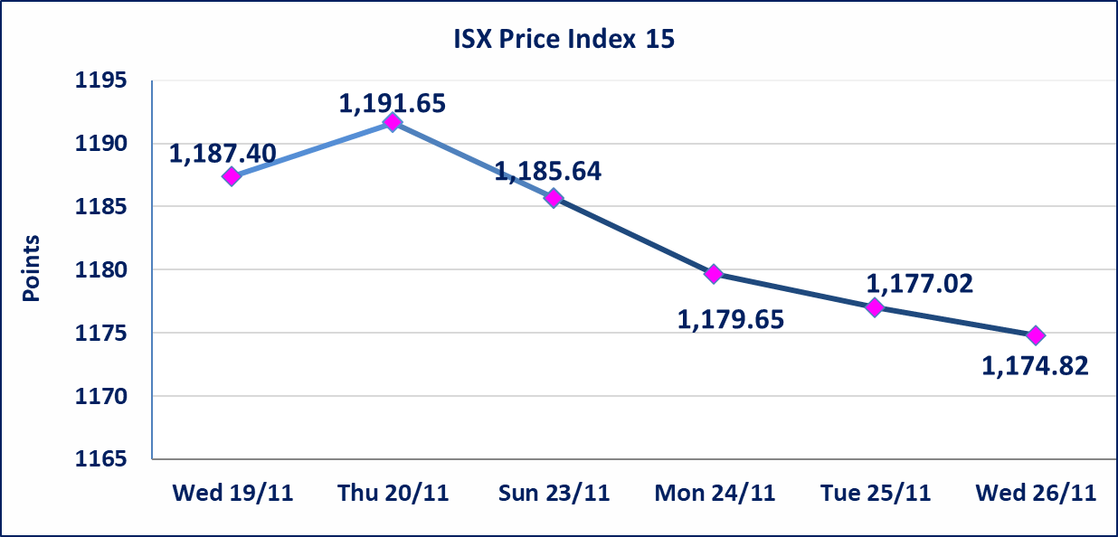

 | special orders | Al-Rafidain Brokerage Company executed a deliberate cross order on the shares of Baghdad Soft Drinks Company with a number of shares (343,137,254) shares with a value of (1,749,999,995) dinars, during the additional session time (after 1 pm) in accordance with the procedures for executing large transactions.
Al-Alwiya P.O . 3607 Mobile: 07711211522 - 07270094594 - 07834000034 E-mail: info-isx@isx-iq.net Web site:www.isx-iq.net

Top 5
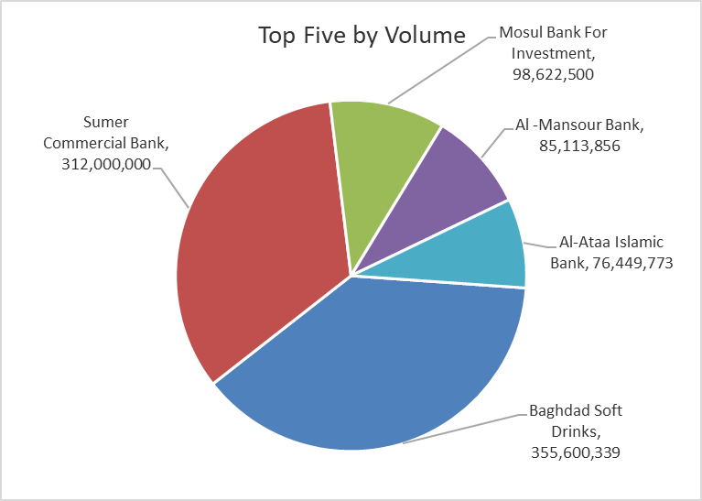
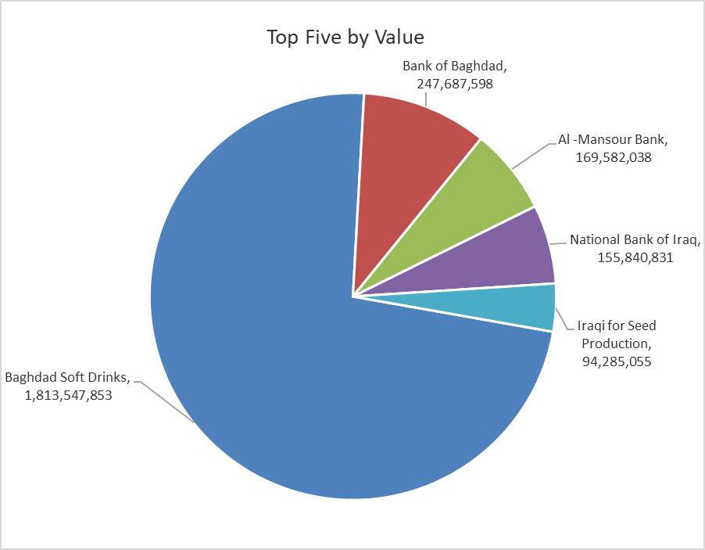
ISX top ganing and losing companies
Wednesday 26/11/2025
Gainers |  |  |  | Losers
Company Name | Closing Price | Change (%) | Traded Volume | Company Name | Closing Price | Change (%) | Traded Volume
Iraqi Engineering Works | 4.830 | 15.00 | 795,295 | union Bank of Iraq | 0.200 | -13.04 | 124,254
Babil Animal & Vegetable Production | 11.000 | 14.94 | 495,579 | Al-Ameen Estate Investment | 2.220 | -12.94 | 5,024,282
Tourist Village of Mosul dam | 19.000 | 13.64 | 61,542 | Iraqi Date Processing and Marketing | 2.400 | -4.76 | 1,717,703
Kurdistan International Bank | 1.100 | 4.76 | 21,000 | Modern Construction Materials | 0.670 | -4.29 | 100,000
General Transportation | 2.000 | 4.71 | 6,299,413 | Al-Ameen for Insurance | 0.940 | -4.08 | 546,184

The most active companies in term of traded volume and value

Traded Volume |  |  |  | Traded Value
Company Name | Closing Price | Change (%) | Traded Volume | Company Name | Closing Price | Change (%) | Traded Value
Baghdad Soft Drinks | 5.090 | -0.20 | 355,600,339 | Baghdad Soft Drinks | 5.090 | -0.20 | 1,813,547,853
Sumer Commercial Bank | 0.110 | 0.00 | 312,000,000 | Bank of Baghdad | 3.500 | 0.00 | 247,687,598
Mosul Bank For Investment | 0.150 | 0.00 | 98,622,500 | Al -Mansour Bank | 1.990 | -0.50 | 169,582,038
Al -Mansour Bank | 1.990 | -0.50 | 85,113,856 | National Bank of Iraq | 4.690 | -0.21 | 155,840,831
Al-Ataa Islamic Bank | 0.090 | 0.00 | 76,449,773 | Iraqi for Seed Production | 5.100 | -10.05 | 94,285,055

OTC

Iraq Stock Exchange

Wednesday 26/11/2025
OTC Platform Trading Bulletin No (212)
Company Name | Code | highest price | lowest price | Average price | No.of Trades | Traded Volume | Traded Value
Banks Sector
Al-Warka Bank | BWAI | 0.080 | 0.070 | 0.070 | 15 | 61,605,148 | 4,332,380
Total Of Banks Sector |  |  |  |  | 15 | 61,605,148 | 4,332,380
Total |  |  |  |  | 15 | 61,605,148 | 4,332,380

Not Trading OTC Companies
Company Name |  |  | Code |  | Previous Average price
Banks Sector
Al-Sanam Islamic Bank |  |  | BSAN |  | 3.000
Hammurabi Commercial Bank |  |  | BHAM |  | ـــــــــــــــــــــــــــــــــــ
Money Service Sector
Rabee Securities |  |  | FRSE |  | 9.500
Karmal Brokerage |  |  | FKSX |  | 10.000
Ishtar Gate for e-Paymant |  |  | FISH |  | 1.000
Sama Baghdad Exchange |  |  | FSBE |  | ـــــــــــــــــــــــــــــــــــ
Iraqi Deposit Insurance Corporation |  |  | FIDI |  | ـــــــــــــــــــــــــــــــــــ
Insurance Sector
Shatt Al Arab Insurance |  |  | NSHA |  | 1.000
Dilina Insurance Company |  |  | NDIL |  | ـــــــــــــــــــــــــــــــــــ

